SORT_ANSWERS
 |  |  |  |  |  |  |  |  |  | ID | Segment | Country | Date | Profit | ID | Segment | Country | Date | Profit
ID | Segment | Country | Date | Profit | ID | Segment | Country | Date | Profit | 952 | Government | Canada | 2021-07-01 | 7819 | 3412 | Small Business | Canada | 2021-02-01 | -11610
3331 | Channel Partners | Canada | 2021-06-01 | -14202 | 3331 | Channel Partners | Canada | 2021-06-01 | -14202 | 949 | Government | Canada | 2021-12-01 | 8406 | 1115 | Small Business | Canada | 2021-03-01 | 48808
695 | Channel Partners | Canada | 2021-06-01 | 17043 | 695 | Channel Partners | Canada | 2021-06-01 | 17043 | 2352 | Government | Canada | 2021-06-01 | 17150 | 1964 | Small Business | Canada | 2021-01-01 | 100486
526 | Channel Partners | Canada | 2021-08-01 | 55010 | 526 | Channel Partners | Canada | 2021-08-01 | 55010 | 1505 | Government | Canada | 2021-10-01 | 24838 | 3361 | Small Business | Canada | 2021-05-01 | 111998
1746 | Channel Partners | Canada | 2021-01-01 | 60394 | 1746 | Channel Partners | Canada | 2021-01-01 | 60394 | 950 | Government | Canada | 2021-06-01 | 27137 | 3173 | Small Business | Canada | 2021-08-01 | 216458
346 | Channel Partners | Canada | 2021-05-01 | 166490 | 346 | Channel Partners | Canada | 2021-05-01 | 166490 | 825 | Government | Canada | 2021-06-01 | 32352 | 2778 | Small Business | Canada | 2021-09-01 | 256402
1727 | Channel Partners | Canada | 2021-04-01 | 196137 | 1727 | Channel Partners | Canada | 2021-04-01 | 196137 | 88 | Government | Canada | 2021-01-01 | 36125 | 2601 | Small Business | France | 2021-05-01 | 1519
405 | Channel Partners | Canada | 2021-12-01 | 219249 | 405 | Channel Partners | Canada | 2021-12-01 | 219249 | 3050 | Government | Canada | 2021-03-01 | 51626 | 1112 | Small Business | France | 2021-10-01 | 13328
3127 | Channel Partners | Canada | 2021-12-01 | 232472 | 3127 | Channel Partners | Canada | 2021-12-01 | 232472 | 3080 | Government | Canada | 2021-09-01 | 55991 | 1833 | Small Business | France | 2021-04-01 | 73394
2715 | Channel Partners | France | 2021-11-01 | 39271 | 2715 | Channel Partners | France | 2021-11-01 | 39271 | 819 | Government | Canada | 2021-05-01 | 59423 | 441 | Small Business | France | 2021-12-01 | 82089
329 | Channel Partners | France | 2021-09-01 | 60921 | 329 | Channel Partners | France | 2021-09-01 | 60921 | 2839 | Government | Canada | 2021-11-01 | 63494 | 1829 | Small Business | France | 2021-07-01 | 185869
423 | Channel Partners | France | 2021-08-01 | 87532 | 423 | Channel Partners | France | 2021-08-01 | 87532 | 1653 | Government | Canada | 2021-07-01 | 64755 | 2480 | Small Business | Germany | 2021-12-01 | 1365
2577 | Channel Partners | France | 2021-04-01 | 89649 | 2577 | Channel Partners | France | 2021-04-01 | 89649 | 739 | Government | Canada | 2021-11-01 | 86186 | 2705 | Small Business | Germany | 2021-03-01 | 6845
1783 | Channel Partners | France | 2021-12-01 | 112636 | 1783 | Channel Partners | France | 2021-12-01 | 112636 | 1525 | Government | Canada | 2021-02-01 | 105602 | 681 | Small Business | Germany | 2021-08-01 | 17711
3189 | Channel Partners | France | 2021-11-01 | 195638 | 3189 | Channel Partners | France | 2021-11-01 | 195638 | 805 | Government | Canada | 2021-02-01 | 134977 | 3179 | Small Business | Germany | 2021-03-01 | 39973
1053 | Channel Partners | France | 2021-11-01 | 211082 | 1053 | Channel Partners | France | 2021-11-01 | 211082 | 1415 | Government | Canada | 2021-12-01 | 135311 | 1381 | Small Business | Germany | 2021-08-01 | 102572
1823 | Channel Partners | France | 2021-05-01 | 223042 | 1823 | Channel Partners | France | 2021-05-01 | 223042 | 1675 | Government | Canada | 2021-04-01 | 137705 | 2458 | Small Business | Germany | 2021-07-01 | 121986
2466 | Channel Partners | France | 2021-09-01 | 258051 | 2466 | Channel Partners | France | 2021-09-01 | 258051 | 1488 | Government | Canada | 2021-02-01 | 155266 | 1079 | Small Business | Germany | 2021-03-01 | 132363
1121 | Channel Partners | France | 2021-05-01 | 258583 | 1121 | Channel Partners | France | 2021-05-01 | 258583 | 2925 | Government | Canada | 2021-07-01 | 159745 | 2479 | Small Business | Germany | 2021-09-01 | 160752
3106 | Channel Partners | Germany | 2021-11-01 | 55433 | 3106 | Channel Partners | Germany | 2021-11-01 | 55433 | 1624 | Government | Canada | 2021-05-01 | 166824 | 1285 | Small Business | Mexico | 2021-02-01 | 7298
1989 | Channel Partners | Germany | 2021-04-01 | 61230 | 1989 | Channel Partners | Germany | 2021-04-01 | 61230 | 280 | Government | Canada | 2021-02-01 | 180474 | 3249 | Small Business | Mexico | 2021-06-01 | 11238
2001 | Channel Partners | Germany | 2021-02-01 | 74022 | 2001 | Channel Partners | Germany | 2021-02-01 | 74022 | 3027 | Government | Canada | 2021-06-01 | 213069 | 640 | Small Business | Mexico | 2021-04-01 | 27542
688 | Channel Partners | Germany | 2021-03-01 | 87460 | 688 | Channel Partners | Germany | 2021-03-01 | 87460 | 1615 | Government | Canada | 2021-08-01 | 217962 | 1709 | Small Business | Mexico | 2021-02-01 | 33876
2475 | Channel Partners | Germany | 2021-03-01 | 114470 | 2475 | Channel Partners | Germany | 2021-03-01 | 114470 | 870 | Government | Canada | 2021-11-01 | 222162 | 2441 | Small Business | Mexico | 2021-10-01 | 39494
3307 | Channel Partners | Germany | 2021-06-01 | 223894 | 3307 | Channel Partners | Germany | 2021-06-01 | 223894 | 2136 | Government | Canada | 2021-05-01 | 240648 | 2549 | Small Business | Mexico | 2021-06-01 | 96983
1706 | Channel Partners | Germany | 2021-04-01 | 247904 | 1706 | Channel Partners | Germany | 2021-04-01 | 247904 | 2916 | Government | Canada | 2021-04-01 | 244904 | 2495 | Small Business | Mexico | 2021-06-01 | 130437
3224 | Channel Partners | Germany | 2021-01-01 | 256329 | 3224 | Channel Partners | Germany | 2021-01-01 | 256329 | 864 | Government | France | 2021-06-01 | 7110 | 309 | Small Business | Mexico | 2021-08-01 | 149617
686 | Channel Partners | Mexico | 2021-10-01 | 18670 | 686 | Channel Partners | Mexico | 2021-10-01 | 18670 | 3036 | Government | France | 2021-06-01 | 7190 | 591 | Small Business | Mexico | 2021-12-01 | 166353
3305 | Channel Partners | Mexico | 2021-03-01 | 155535 | 3305 | Channel Partners | Mexico | 2021-03-01 | 155535 | 2972 | Government | France | 2021-08-01 | 7382 | 3159 | Small Business | Mexico | 2021-01-01 | 219774
2716 | Channel Partners | Mexico | 2021-09-01 | 208038 | 2716 | Channel Partners | Mexico | 2021-09-01 | 208038 | 1446 | Government | France | 2021-12-01 | 9682 | 3252 | Small Business | Mexico | 2021-07-01 | 226327
1244 | Channel Partners | Mexico | 2021-07-01 | 219148 | 1244 | Channel Partners | Mexico | 2021-07-01 | 219148 | 2897 | Government | France | 2021-08-01 | 23250 | 3440 | Small Business | Mexico | 2021-05-01 | 239368
1788 | Channel Partners | Mexico | 2021-05-01 | 232025 | 1788 | Channel Partners | Mexico | 2021-05-01 | 232025 | 33 | Government | France | 2021-03-01 | 25467 | 492 | Small Business | Mexico | 2021-01-01 | 244677
451 | Channel Partners | Mexico | 2021-09-01 | 242254 | 451 | Channel Partners | Mexico | 2021-09-01 | 242254 | 3094 | Government | France | 2021-01-01 | 28289 | 1070 | Small Business | United States of America | 2021-01-01 | 8675
1743 | Channel Partners | United States of America | 2021-01-01 | 6345 | 1743 | Channel Partners | United States of America | 2021-01-01 | 6345 | 1636 | Government | France | 2021-04-01 | 35096 | 3287 | Small Business | United States of America | 2021-09-01 | 12156
1782 | Channel Partners | United States of America | 2021-03-01 | 30219 | 1782 | Channel Partners | United States of America | 2021-03-01 | 30219 | 1572 | Government | France | 2021-07-01 | 44394 | 1331 | Small Business | United States of America | 2021-12-01 | 60882
1048 | Channel Partners | United States of America | 2021-01-01 | 41318 | 1048 | Channel Partners | United States of America | 2021-01-01 | 41318 | 706 | Government | France | 2021-01-01 | 48442 | 2537 | Small Business | United States of America | 2021-08-01 | 110965
3122 | Channel Partners | United States of America | 2021-07-01 | 59920 | 3122 | Channel Partners | United States of America | 2021-07-01 | 59920 | 2214 | Government | France | 2021-02-01 | 86142 | 3479 | Small Business | United States of America | 2021-05-01 | 125616
3379 | Channel Partners | United States of America | 2021-09-01 | 74093 | 3379 | Channel Partners | United States of America | 2021-09-01 | 74093 | 2896 | Government | France | 2021-07-01 | 89802 | 1260 | Small Business | United States of America | 2021-12-01 | 152076
1024 | Channel Partners | United States of America | 2021-08-01 | 124717 | 1024 | Channel Partners | United States of America | 2021-08-01 | 124717 | 803 | Government | France | 2021-07-01 | 96209 | 1091 | Small Business | United States of America | 2021-10-01 | 174302
568 | Channel Partners | United States of America | 2021-12-01 | 142874 | 568 | Channel Partners | United States of America | 2021-12-01 | 142874 | 1429 | Government | France | 2021-06-01 | 115261 | 1848 | Small Business | United States of America | 2021-10-01 | 175018
1022 | Channel Partners | United States of America | 2021-07-01 | 152936 | 1022 | Channel Partners | United States of America | 2021-07-01 | 152936 | 3085 | Government | France | 2021-02-01 | 134107 | 2657 | Small Business | United States of America | 2021-04-01 | 221658
2100 | Channel Partners | United States of America | 2021-04-01 | 189847 | 2100 | Channel Partners | United States of America | 2021-04-01 | 189847 | 46 | Government | France | 2021-09-01 | 135801 | 3268 | Small Business | United States of America | 2021-10-01 | 245470
3265 | Channel Partners | United States of America | 2021-02-01 | 192728 | 3265 | Channel Partners | United States of America | 2021-02-01 | 192728 | 796 | Government | France | 2021-06-01 | 137843 | 1868 | Small Business | United States of America | 2021-01-01 | 248756
1722 | Channel Partners | United States of America | 2021-04-01 | 201120 | 1722 | Channel Partners | United States of America | 2021-04-01 | 201120 | 1537 | Government | France | 2021-01-01 | 142596
3469 | Channel Partners | United States of America | 2021-07-01 | 252080 | 3469 | Channel Partners | United States of America | 2021-07-01 | 252080 | 733 | Government | France | 2021-11-01 | 146394
1809 | Enterprise | Canada | 2021-07-01 | 23560 |  |  |  |  |  | 2811 | Government | France | 2021-01-01 | 151301
3423 | Enterprise | Canada | 2021-06-01 | 34080 |  |  |  |  |  | 27 | Government | France | 2021-10-01 | 165656
3145 | Enterprise | Canada | 2021-01-01 | 40778 |  |  |  |  |  | 1540 | Government | France | 2021-06-01 | 165992
1045 | Enterprise | Canada | 2021-08-01 | 99343 | ID | Segment | Country | Date | Profit | 1686 | Government | France | 2021-07-01 | 173616
3108 | Enterprise | Canada | 2021-07-01 | 104422 | 1809 | Enterprise | Canada | 2021-07-01 | 23560 | 128 | Government | France | 2021-12-01 | 201069
3295 | Enterprise | Canada | 2021-11-01 | 161110 | 3423 | Enterprise | Canada | 2021-06-01 | 34080 | 2207 | Government | France | 2021-02-01 | 210276
2670 | Enterprise | France | 2021-12-01 | 12709 | 3145 | Enterprise | Canada | 2021-01-01 | 40778 | 979 | Government | France | 2021-06-01 | 234786
1332 | Enterprise | France | 2021-07-01 | 26819 | 1045 | Enterprise | Canada | 2021-08-01 | 99343 | 2259 | Government | Germany | 2021-12-01 | -21877
2580 | Enterprise | France | 2021-04-01 | 42319 | 3108 | Enterprise | Canada | 2021-07-01 | 104422 | 926 | Government | Germany | 2021-06-01 | 6105
1377 | Enterprise | France | 2021-05-01 | 57755 | 3295 | Enterprise | Canada | 2021-11-01 | 161110 | 1667 | Government | Germany | 2021-05-01 | 8950
2439 | Enterprise | France | 2021-12-01 | 71529 | 2670 | Enterprise | France | 2021-12-01 | 12709 | 38 | Government | Germany | 2021-03-01 | 16452
1210 | Enterprise | France | 2021-08-01 | 109849 | 1332 | Enterprise | France | 2021-07-01 | 26819 | 1489 | Government | Germany | 2021-05-01 | 24879
2044 | Enterprise | France | 2021-05-01 | 164464 | 2580 | Enterprise | France | 2021-04-01 | 42319 | 1583 | Government | Germany | 2021-02-01 | 56810
342 | Enterprise | France | 2021-01-01 | 180969 | 1377 | Enterprise | France | 2021-05-01 | 57755 | 115 | Government | Germany | 2021-05-01 | 72086
2744 | Enterprise | France | 2021-12-01 | 210352 | 2439 | Enterprise | France | 2021-12-01 | 71529 | 2816 | Government | Germany | 2021-11-01 | 74813
2739 | Enterprise | France | 2021-10-01 | 236531 | 1210 | Enterprise | France | 2021-08-01 | 109849 | 1471 | Government | Germany | 2021-12-01 | 81048
3498 | Enterprise | Germany | 2021-08-01 | 7269 | 2044 | Enterprise | France | 2021-05-01 | 164464 | 2245 | Government | Germany | 2021-07-01 | 86843
1398 | Enterprise | Germany | 2021-08-01 | 19002 | 342 | Enterprise | France | 2021-01-01 | 180969 | 2301 | Government | Germany | 2021-01-01 | 95623
2423 | Enterprise | Germany | 2021-08-01 | 23010 | 2744 | Enterprise | France | 2021-12-01 | 210352 | 3088 | Government | Germany | 2021-10-01 | 104379
1329 | Enterprise | Germany | 2021-07-01 | 36547 | 2739 | Enterprise | France | 2021-10-01 | 236531 | 1691 | Government | Germany | 2021-12-01 | 151084
2009 | Enterprise | Germany | 2021-05-01 | 124153 | 3498 | Enterprise | Germany | 2021-08-01 | 7269 | 165 | Government | Germany | 2021-06-01 | 155904
1107 | Enterprise | Germany | 2021-03-01 | 126174 | 1398 | Enterprise | Germany | 2021-08-01 | 19002 | 738 | Government | Germany | 2021-12-01 | 158679
1353 | Enterprise | Germany | 2021-09-01 | 220591 | 2423 | Enterprise | Germany | 2021-08-01 | 23010 | 2821 | Government | Germany | 2021-01-01 | 161532
2621 | Enterprise | Mexico | 2021-05-01 | 1696 | 1329 | Enterprise | Germany | 2021-07-01 | 36547 | 1688 | Government | Germany | 2021-02-01 | 168122
1307 | Enterprise | Mexico | 2021-02-01 | 13845 | 2009 | Enterprise | Germany | 2021-05-01 | 124153 | 184 | Government | Germany | 2021-12-01 | 169991
2654 | Enterprise | Mexico | 2021-02-01 | 27849 | 1107 | Enterprise | Germany | 2021-03-01 | 126174 | 3051 | Government | Germany | 2021-09-01 | 200584
3399 | Enterprise | Mexico | 2021-08-01 | 75634 | 1353 | Enterprise | Germany | 2021-09-01 | 220591 | 1668 | Government | Germany | 2021-01-01 | 210209
636 | Enterprise | Mexico | 2021-08-01 | 86220 | 2621 | Enterprise | Mexico | 2021-05-01 | 1696 | 72 | Government | Germany | 2021-06-01 | 247286
1256 | Enterprise | Mexico | 2021-06-01 | 91931 | 1307 | Enterprise | Mexico | 2021-02-01 | 13845 | 174 | Government | Mexico | 2021-10-01 | -37886
2455 | Enterprise | Mexico | 2021-02-01 | 157993 | 2654 | Enterprise | Mexico | 2021-02-01 | 27849 | 874 | Government | Mexico | 2021-10-01 | 5652
659 | Enterprise | Mexico | 2021-04-01 | 173199 | 3399 | Enterprise | Mexico | 2021-08-01 | 75634 | 2847 | Government | Mexico | 2021-11-01 | 8463
3138 | Enterprise | United States of America | 2021-11-01 | 28110 | 636 | Enterprise | Mexico | 2021-08-01 | 86220 | 2852 | Government | Mexico | 2021-12-01 | 9630
3443 | Enterprise | United States of America | 2021-03-01 | 75969 | 1256 | Enterprise | Mexico | 2021-06-01 | 91931 | 842 | Government | Mexico | 2021-08-01 | 19225
1037 | Enterprise | United States of America | 2021-12-01 | 198140 | 2455 | Enterprise | Mexico | 2021-02-01 | 157993 | 1567 | Government | Mexico | 2021-02-01 | 22003
952 | Government | Canada | 2021-07-01 | 7819 | 659 | Enterprise | Mexico | 2021-04-01 | 173199 | 3093 | Government | Mexico | 2021-10-01 | 22810
949 | Government | Canada | 2021-12-01 | 8406 | 3138 | Enterprise | United States of America | 2021-11-01 | 28110 | 930 | Government | Mexico | 2021-03-01 | 34334
2352 | Government | Canada | 2021-06-01 | 17150 | 3443 | Enterprise | United States of America | 2021-03-01 | 75969 | 221 | Government | Mexico | 2021-11-01 | 39668
1505 | Government | Canada | 2021-10-01 | 24838 | 1037 | Enterprise | United States of America | 2021-12-01 | 198140 | 3099 | Government | Mexico | 2021-06-01 | 65162
950 | Government | Canada | 2021-06-01 | 27137 |  |  |  |  |  | 2176 | Government | Mexico | 2021-04-01 | 73163
825 | Government | Canada | 2021-06-01 | 32352 | ID | Segment | Country | Date | Profit | 977 | Government | Mexico | 2021-05-01 | 82968
88 | Government | Canada | 2021-01-01 | 36125 | 2478 | Midmarket | Canada | 2021-02-01 | 8721 | 1553 | Government | Mexico | 2021-10-01 | 86460
3050 | Government | Canada | 2021-03-01 | 51626 | 403 | Midmarket | Canada | 2021-07-01 | 12909 | 8 | Government | Mexico | 2021-06-01 | 108879
3080 | Government | Canada | 2021-09-01 | 55991 | 1903 | Midmarket | Canada | 2021-12-01 | 22305 | 780 | Government | Mexico | 2021-08-01 | 131983
819 | Government | Canada | 2021-05-01 | 59423 | 413 | Midmarket | Canada | 2021-07-01 | 36046 | 2369 | Government | Mexico | 2021-07-01 | 138473
2839 | Government | Canada | 2021-11-01 | 63494 | 3394 | Midmarket | Canada | 2021-11-01 | 40179 | 858 | Government | Mexico | 2021-03-01 | 150851
1653 | Government | Canada | 2021-07-01 | 64755 | 594 | Midmarket | Canada | 2021-12-01 | 47888 | 1590 | Government | Mexico | 2021-10-01 | 169915
739 | Government | Canada | 2021-11-01 | 86186 | 2655 | Midmarket | Canada | 2021-04-01 | 173334 | 777 | Government | Mexico | 2021-06-01 | 190517
1525 | Government | Canada | 2021-02-01 | 105602 | 1253 | Midmarket | Canada | 2021-02-01 | 187979 | 1674 | Government | Mexico | 2021-08-01 | 191733
805 | Government | Canada | 2021-02-01 | 134977 | 2033 | Midmarket | Canada | 2021-10-01 | 225220 | 2958 | Government | Mexico | 2021-02-01 | 194150
1415 | Government | Canada | 2021-12-01 | 135311 | 1396 | Midmarket | Canada | 2021-08-01 | 229197 | 2239 | Government | Mexico | 2021-04-01 | 203878
1675 | Government | Canada | 2021-04-01 | 137705 | 2642 | Midmarket | Canada | 2021-02-01 | 252387 | 1413 | Government | Mexico | 2021-09-01 | 209590
1488 | Government | Canada | 2021-02-01 | 155266 | 1975 | Midmarket | France | 2021-04-01 | 259 | 1574 | Government | Mexico | 2021-09-01 | 217075
2925 | Government | Canada | 2021-07-01 | 159745 | 3294 | Midmarket | France | 2021-02-01 | 11682 | 1434 | Government | Mexico | 2021-04-01 | 220171
1624 | Government | Canada | 2021-05-01 | 166824 | 1019 | Midmarket | France | 2021-11-01 | 25301 | 893 | Government | Mexico | 2021-02-01 | 230726
280 | Government | Canada | 2021-02-01 | 180474 | 3454 | Midmarket | France | 2021-04-01 | 51383 | 3059 | Government | Mexico | 2021-07-01 | 235104
3027 | Government | Canada | 2021-06-01 | 213069 | 482 | Midmarket | France | 2021-07-01 | 57399 | 867 | Government | Mexico | 2021-06-01 | 259896
1615 | Government | Canada | 2021-08-01 | 217962 | 3442 | Midmarket | France | 2021-10-01 | 86076 | 113 | Government | United States of America | 2021-07-01 | -34980
870 | Government | Canada | 2021-11-01 | 222162 | 1719 | Midmarket | France | 2021-06-01 | 95791 | 762 | Government | United States of America | 2021-06-01 | -15140
2136 | Government | Canada | 2021-05-01 | 240648 | 3119 | Midmarket | France | 2021-12-01 | 100956 | 282 | Government | United States of America | 2021-01-01 | -7921
2916 | Government | Canada | 2021-04-01 | 244904 | 2754 | Midmarket | France | 2021-03-01 | 117440 | 748 | Government | United States of America | 2021-07-01 | 5850
864 | Government | France | 2021-06-01 | 7110 | 2742 | Midmarket | France | 2021-10-01 | 128249 | 2933 | Government | United States of America | 2021-01-01 | 6256
3036 | Government | France | 2021-06-01 | 7190 | 1342 | Midmarket | France | 2021-06-01 | 139728 | 2390 | Government | United States of America | 2021-08-01 | 10877
2972 | Government | France | 2021-08-01 | 7382 | 1200 | Midmarket | France | 2021-09-01 | 147727 | 2187 | Government | United States of America | 2021-09-01 | 13179
1446 | Government | France | 2021-12-01 | 9682 | 2539 | Midmarket | France | 2021-06-01 | 159478 | 2913 | Government | United States of America | 2021-01-01 | 25860
2897 | Government | France | 2021-08-01 | 23250 | 3471 | Midmarket | France | 2021-07-01 | 176652 | 3013 | Government | United States of America | 2021-05-01 | 26172
33 | Government | France | 2021-03-01 | 25467 | 1227 | Midmarket | France | 2021-10-01 | 231047 | 1531 | Government | United States of America | 2021-09-01 | 27327
3094 | Government | France | 2021-01-01 | 28289 | 1839 | Midmarket | France | 2021-06-01 | 254580 | 2910 | Government | United States of America | 2021-07-01 | 52513
1636 | Government | France | 2021-04-01 | 35096 | 2474 | Midmarket | Germany | 2021-01-01 | 6460 | 2184 | Government | United States of America | 2021-08-01 | 67090
1572 | Government | France | 2021-07-01 | 44394 | 3250 | Midmarket | Germany | 2021-11-01 | 20238 | 131 | Government | United States of America | 2021-12-01 | 74221
706 | Government | France | 2021-01-01 | 48442 | 1004 | Midmarket | Germany | 2021-08-01 | 22746 | 2376 | Government | United States of America | 2021-04-01 | 81846
2214 | Government | France | 2021-02-01 | 86142 | 2000 | Midmarket | Germany | 2021-03-01 | 29435 | 127 | Government | United States of America | 2021-10-01 | 84660
2896 | Government | France | 2021-07-01 | 89802 | 2511 | Midmarket | Germany | 2021-05-01 | 53266 | 2333 | Government | United States of America | 2021-07-01 | 103592
803 | Government | France | 2021-07-01 | 96209 | 2749 | Midmarket | Germany | 2021-03-01 | 133951 | 111 | Government | United States of America | 2021-01-01 | 123287
1429 | Government | France | 2021-06-01 | 115261 | 3120 | Midmarket | Germany | 2021-04-01 | 135272 | 1547 | Government | United States of America | 2021-12-01 | 129328
3085 | Government | France | 2021-02-01 | 134107 | 2099 | Midmarket | Germany | 2021-04-01 | 145328 | 2862 | Government | United States of America | 2021-10-01 | 139432
46 | Government | France | 2021-09-01 | 135801 | 1324 | Midmarket | Germany | 2021-11-01 | 188860 | 894 | Government | United States of America | 2021-10-01 | 154630
796 | Government | France | 2021-06-01 | 137843 | 302 | Midmarket | Germany | 2021-01-01 | 193122 | 2899 | Government | United States of America | 2021-11-01 | 156072
1537 | Government | France | 2021-01-01 | 142596 | 1774 | Midmarket | Germany | 2021-01-01 | 208053 | 911 | Government | United States of America | 2021-06-01 | 161165
733 | Government | France | 2021-11-01 | 146394 | 1912 | Midmarket | Mexico | 2021-02-01 | 5187 | 891 | Government | United States of America | 2021-02-01 | 173392
2811 | Government | France | 2021-01-01 | 151301 | 2735 | Midmarket | Mexico | 2021-07-01 | 12894 | 728 | Government | United States of America | 2021-04-01 | 175220
27 | Government | France | 2021-10-01 | 165656 | 2561 | Midmarket | Mexico | 2021-02-01 | 15238 | 84 | Government | United States of America | 2021-04-01 | 191293
1540 | Government | France | 2021-06-01 | 165992 | 3312 | Midmarket | Mexico | 2021-04-01 | 22839 | 963 | Government | United States of America | 2021-09-01 | 193691
1686 | Government | France | 2021-07-01 | 173616 | 1191 | Midmarket | Mexico | 2021-02-01 | 33850 | 211 | Government | United States of America | 2021-11-01 | 207031
128 | Government | France | 2021-12-01 | 201069 | 2619 | Midmarket | Mexico | 2021-08-01 | 78549 | 1526 | Government | United States of America | 2021-04-01 | 214102
2207 | Government | France | 2021-02-01 | 210276 | 1084 | Midmarket | Mexico | 2021-12-01 | 130275 | 3018 | Government | United States of America | 2021-11-01 | 223295
979 | Government | France | 2021-06-01 | 234786 | 2407 | Midmarket | Mexico | 2021-08-01 | 155980 | 973 | Government | United States of America | 2021-07-01 | 229218
2259 | Government | Germany | 2021-12-01 | -21877 | 3103 | Midmarket | Mexico | 2021-03-01 | 201340 | 1683 | Government | United States of America | 2021-09-01 | 242971
926 | Government | Germany | 2021-06-01 | 6105 | 1269 | Midmarket | Mexico | 2021-09-01 | 213879 | 2318 | Government | United States of America | 2021-12-01 | 244284
1667 | Government | Germany | 2021-05-01 | 8950 | 1776 | Midmarket | Mexico | 2021-04-01 | 216555 | 983 | Government | United States of America | 2021-10-01 | 249705
38 | Government | Germany | 2021-03-01 | 16452 | 3450 | Midmarket | United States of America | 2021-07-01 | -39689 | 2881 | Government | United States of America | 2021-09-01 | 261354
1489 | Government | Germany | 2021-05-01 | 24879 | 1296 | Midmarket | United States of America | 2021-01-01 | 1661
1583 | Government | Germany | 2021-02-01 | 56810 | 2486 | Midmarket | United States of America | 2021-12-01 | 54633
115 | Government | Germany | 2021-05-01 | 72086 | 1011 | Midmarket | United States of America | 2021-08-01 | 85536
2816 | Government | Germany | 2021-11-01 | 74813 | 325 | Midmarket | United States of America | 2021-10-01 | 93656
1471 | Government | Germany | 2021-12-01 | 81048 | 3333 | Midmarket | United States of America | 2021-09-01 | 98246
2245 | Government | Germany | 2021-07-01 | 86843 | 3125 | Midmarket | United States of America | 2021-10-01 | 163127
2301 | Government | Germany | 2021-01-01 | 95623 | 1355 | Midmarket | United States of America | 2021-06-01 | 216695
3088 | Government | Germany | 2021-10-01 | 104379
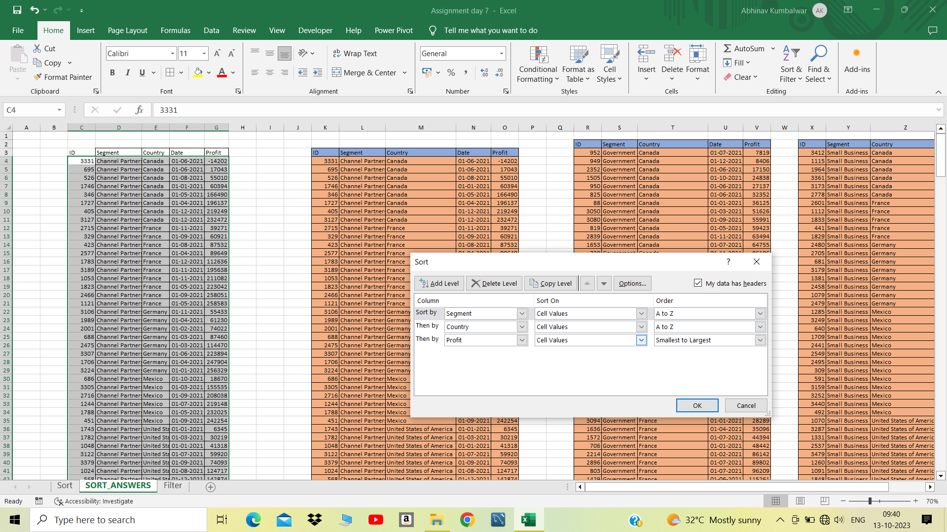
1691 | Government | Germany | 2021-12-01 | 151084
165 | Government | Germany | 2021-06-01 | 155904
738 | Government | Germany | 2021-12-01 | 158679
2821 | Government | Germany | 2021-01-01 | 161532
1688 | Government | Germany | 2021-02-01 | 168122
184 | Government | Germany | 2021-12-01 | 169991
3051 | Government | Germany | 2021-09-01 | 200584
1668 | Government | Germany | 2021-01-01 | 210209
72 | Government | Germany | 2021-06-01 | 247286
174 | Government | Mexico | 2021-10-01 | -37886
874 | Government | Mexico | 2021-10-01 | 5652
2847 | Government | Mexico | 2021-11-01 | 8463
2852 | Government | Mexico | 2021-12-01 | 9630
842 | Government | Mexico | 2021-08-01 | 19225
1567 | Government | Mexico | 2021-02-01 | 22003
3093 | Government | Mexico | 2021-10-01 | 22810
930 | Government | Mexico | 2021-03-01 | 34334
221 | Government | Mexico | 2021-11-01 | 39668
3099 | Government | Mexico | 2021-06-01 | 65162
2176 | Government | Mexico | 2021-04-01 | 73163
977 | Government | Mexico | 2021-05-01 | 82968
1553 | Government | Mexico | 2021-10-01 | 86460
8 | Government | Mexico | 2021-06-01 | 108879
780 | Government | Mexico | 2021-08-01 | 131983
2369 | Government | Mexico | 2021-07-01 | 138473
858 | Government | Mexico | 2021-03-01 | 150851
1590 | Government | Mexico | 2021-10-01 | 169915
777 | Government | Mexico | 2021-06-01 | 190517
1674 | Government | Mexico | 2021-08-01 | 191733
2958 | Government | Mexico | 2021-02-01 | 194150
2239 | Government | Mexico | 2021-04-01 | 203878
1413 | Government | Mexico | 2021-09-01 | 209590
1574 | Government | Mexico | 2021-09-01 | 217075
1434 | Government | Mexico | 2021-04-01 | 220171
893 | Government | Mexico | 2021-02-01 | 230726
3059 | Government | Mexico | 2021-07-01 | 235104
867 | Government | Mexico | 2021-06-01 | 259896
113 | Government | United States of America | 2021-07-01 | -34980
762 | Government | United States of America | 2021-06-01 | -15140
282 | Government | United States of America | 2021-01-01 | -7921
748 | Government | United States of America | 2021-07-01 | 5850
2933 | Government | United States of America | 2021-01-01 | 6256
2390 | Government | United States of America | 2021-08-01 | 10877
2187 | Government | United States of America | 2021-09-01 | 13179
2913 | Government | United States of America | 2021-01-01 | 25860
3013 | Government | United States of America | 2021-05-01 | 26172
1531 | Government | United States of America | 2021-09-01 | 27327
2910 | Government | United States of America | 2021-07-01 | 52513
2184 | Government | United States of America | 2021-08-01 | 67090
131 | Government | United States of America | 2021-12-01 | 74221
2376 | Government | United States of America | 2021-04-01 | 81846
127 | Government | United States of America | 2021-10-01 | 84660
2333 | Government | United States of America | 2021-07-01 | 103592
111 | Government | United States of America | 2021-01-01 | 123287
1547 | Government | United States of America | 2021-12-01 | 129328
2862 | Government | United States of America | 2021-10-01 | 139432
894 | Government | United States of America | 2021-10-01 | 154630
2899 | Government | United States of America | 2021-11-01 | 156072
911 | Government | United States of America | 2021-06-01 | 161165
891 | Government | United States of America | 2021-02-01 | 173392
728 | Government | United States of America | 2021-04-01 | 175220
84 | Government | United States of America | 2021-04-01 | 191293
963 | Government | United States of America | 2021-09-01 | 193691
211 | Government | United States of America | 2021-11-01 | 207031
1526 | Government | United States of America | 2021-04-01 | 214102
3018 | Government | United States of America | 2021-11-01 | 223295
973 | Government | United States of America | 2021-07-01 | 229218
1683 | Government | United States of America | 2021-09-01 | 242971
2318 | Government | United States of America | 2021-12-01 | 244284
983 | Government | United States of America | 2021-10-01 | 249705
2881 | Government | United States of America | 2021-09-01 | 261354
2478 | Midmarket | Canada | 2021-02-01 | 8721
403 | Midmarket | Canada | 2021-07-01 | 12909
1903 | Midmarket | Canada | 2021-12-01 | 22305
413 | Midmarket | Canada | 2021-07-01 | 36046
3394 | Midmarket | Canada | 2021-11-01 | 40179
594 | Midmarket | Canada | 2021-12-01 | 47888
2655 | Midmarket | Canada | 2021-04-01 | 173334
1253 | Midmarket | Canada | 2021-02-01 | 187979
2033 | Midmarket | Canada | 2021-10-01 | 225220
1396 | Midmarket | Canada | 2021-08-01 | 229197
2642 | Midmarket | Canada | 2021-02-01 | 252387
1975 | Midmarket | France | 2021-04-01 | 259
3294 | Midmarket | France | 2021-02-01 | 11682
1019 | Midmarket | France | 2021-11-01 | 25301
3454 | Midmarket | France | 2021-04-01 | 51383
482 | Midmarket | France | 2021-07-01 | 57399
3442 | Midmarket | France | 2021-10-01 | 86076
1719 | Midmarket | France | 2021-06-01 | 95791
3119 | Midmarket | France | 2021-12-01 | 100956
2754 | Midmarket | France | 2021-03-01 | 117440
2742 | Midmarket | France | 2021-10-01 | 128249
1342 | Midmarket | France | 2021-06-01 | 139728
1200 | Midmarket | France | 2021-09-01 | 147727
2539 | Midmarket | France | 2021-06-01 | 159478
3471 | Midmarket | France | 2021-07-01 | 176652
1227 | Midmarket | France | 2021-10-01 | 231047
1839 | Midmarket | France | 2021-06-01 | 254580
2474 | Midmarket | Germany | 2021-01-01 | 6460
3250 | Midmarket | Germany | 2021-11-01 | 20238
1004 | Midmarket | Germany | 2021-08-01 | 22746
2000 | Midmarket | Germany | 2021-03-01 | 29435
2511 | Midmarket | Germany | 2021-05-01 | 53266
2749 | Midmarket | Germany | 2021-03-01 | 133951
3120 | Midmarket | Germany | 2021-04-01 | 135272
2099 | Midmarket | Germany | 2021-04-01 | 145328
1324 | Midmarket | Germany | 2021-11-01 | 188860
302 | Midmarket | Germany | 2021-01-01 | 193122
1774 | Midmarket | Germany | 2021-01-01 | 208053
1912 | Midmarket | Mexico | 2021-02-01 | 5187
2735 | Midmarket | Mexico | 2021-07-01 | 12894
2561 | Midmarket | Mexico | 2021-02-01 | 15238
3312 | Midmarket | Mexico | 2021-04-01 | 22839
1191 | Midmarket | Mexico | 2021-02-01 | 33850
2619 | Midmarket | Mexico | 2021-08-01 | 78549
1084 | Midmarket | Mexico | 2021-12-01 | 130275
2407 | Midmarket | Mexico | 2021-08-01 | 155980
3103 | Midmarket | Mexico | 2021-03-01 | 201340
1269 | Midmarket | Mexico | 2021-09-01 | 213879
1776 | Midmarket | Mexico | 2021-04-01 | 216555
3450 | Midmarket | United States of America | 2021-07-01 | -39689
1296 | Midmarket | United States of America | 2021-01-01 | 1661
2486 | Midmarket | United States of America | 2021-12-01 | 54633
1011 | Midmarket | United States of America | 2021-08-01 | 85536
325 | Midmarket | United States of America | 2021-10-01 | 93656
3333 | Midmarket | United States of America | 2021-09-01 | 98246
3125 | Midmarket | United States of America | 2021-10-01 | 163127
1355 | Midmarket | United States of America | 2021-06-01 | 216695
3412 | Small Business | Canada | 2021-02-01 | -11610
1115 | Small Business | Canada | 2021-03-01 | 48808
1964 | Small Business | Canada | 2021-01-01 | 100486
3361 | Small Business | Canada | 2021-05-01 | 111998
3173 | Small Business | Canada | 2021-08-01 | 216458
2778 | Small Business | Canada | 2021-09-01 | 256402
2601 | Small Business | France | 2021-05-01 | 1519
1112 | Small Business | France | 2021-10-01 | 13328
1833 | Small Business | France | 2021-04-01 | 73394
441 | Small Business | France | 2021-12-01 | 82089
1829 | Small Business | France | 2021-07-01 | 185869
2480 | Small Business | Germany | 2021-12-01 | 1365
2705 | Small Business | Germany | 2021-03-01 | 6845
681 | Small Business | Germany | 2021-08-01 | 17711
3179 | Small Business | Germany | 2021-03-01 | 39973
1381 | Small Business | Germany | 2021-08-01 | 102572
2458 | Small Business | Germany | 2021-07-01 | 121986
1079 | Small Business | Germany | 2021-03-01 | 132363
2479 | Small Business | Germany | 2021-09-01 | 160752
1285 | Small Business | Mexico | 2021-02-01 | 7298
3249 | Small Business | Mexico | 2021-06-01 | 11238
640 | Small Business | Mexico | 2021-04-01 | 27542
1709 | Small Business | Mexico | 2021-02-01 | 33876
2441 | Small Business | Mexico | 2021-10-01 | 39494
2549 | Small Business | Mexico | 2021-06-01 | 96983
2495 | Small Business | Mexico | 2021-06-01 | 130437
309 | Small Business | Mexico | 2021-08-01 | 149617
591 | Small Business | Mexico | 2021-12-01 | 166353
3159 | Small Business | Mexico | 2021-01-01 | 219774
3252 | Small Business | Mexico | 2021-07-01 | 226327
3440 | Small Business | Mexico | 2021-05-01 | 239368
492 | Small Business | Mexico | 2021-01-01 | 244677
1070 | Small Business | United States of America | 2021-01-01 | 8675
3287 | Small Business | United States of America | 2021-09-01 | 12156
1331 | Small Business | United States of America | 2021-12-01 | 60882
2537 | Small Business | United States of America | 2021-08-01 | 110965
3479 | Small Business | United States of America | 2021-05-01 | 125616
1260 | Small Business | United States of America | 2021-12-01 | 152076
1091 | Small Business | United States of America | 2021-10-01 | 174302
1848 | Small Business | United States of America | 2021-10-01 | 175018
2657 | Small Business | United States of America | 2021-04-01 | 221658
3268 | Small Business | United States of America | 2021-10-01 | 245470
1868 | Small Business | United States of America | 2021-01-01 | 248756

FILTER AND FILTER ANSWERS
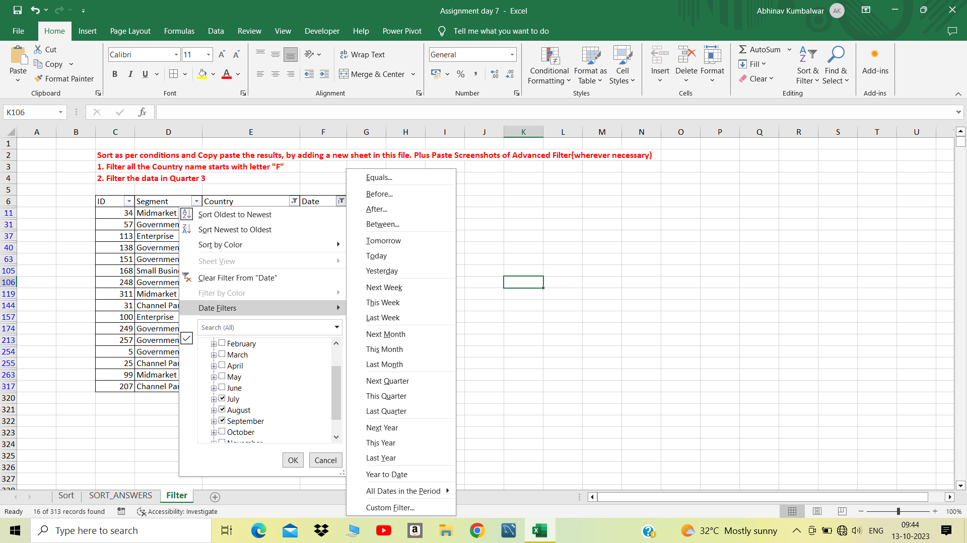
Sort as per conditions and Copy paste the results, by adding a new sheet in this file. Plus Paste Screenshots of Advanced Filter(wherever necessary)
1. Filter all the Country name starts with letter "F"
2. Filter the data in Quarter 3
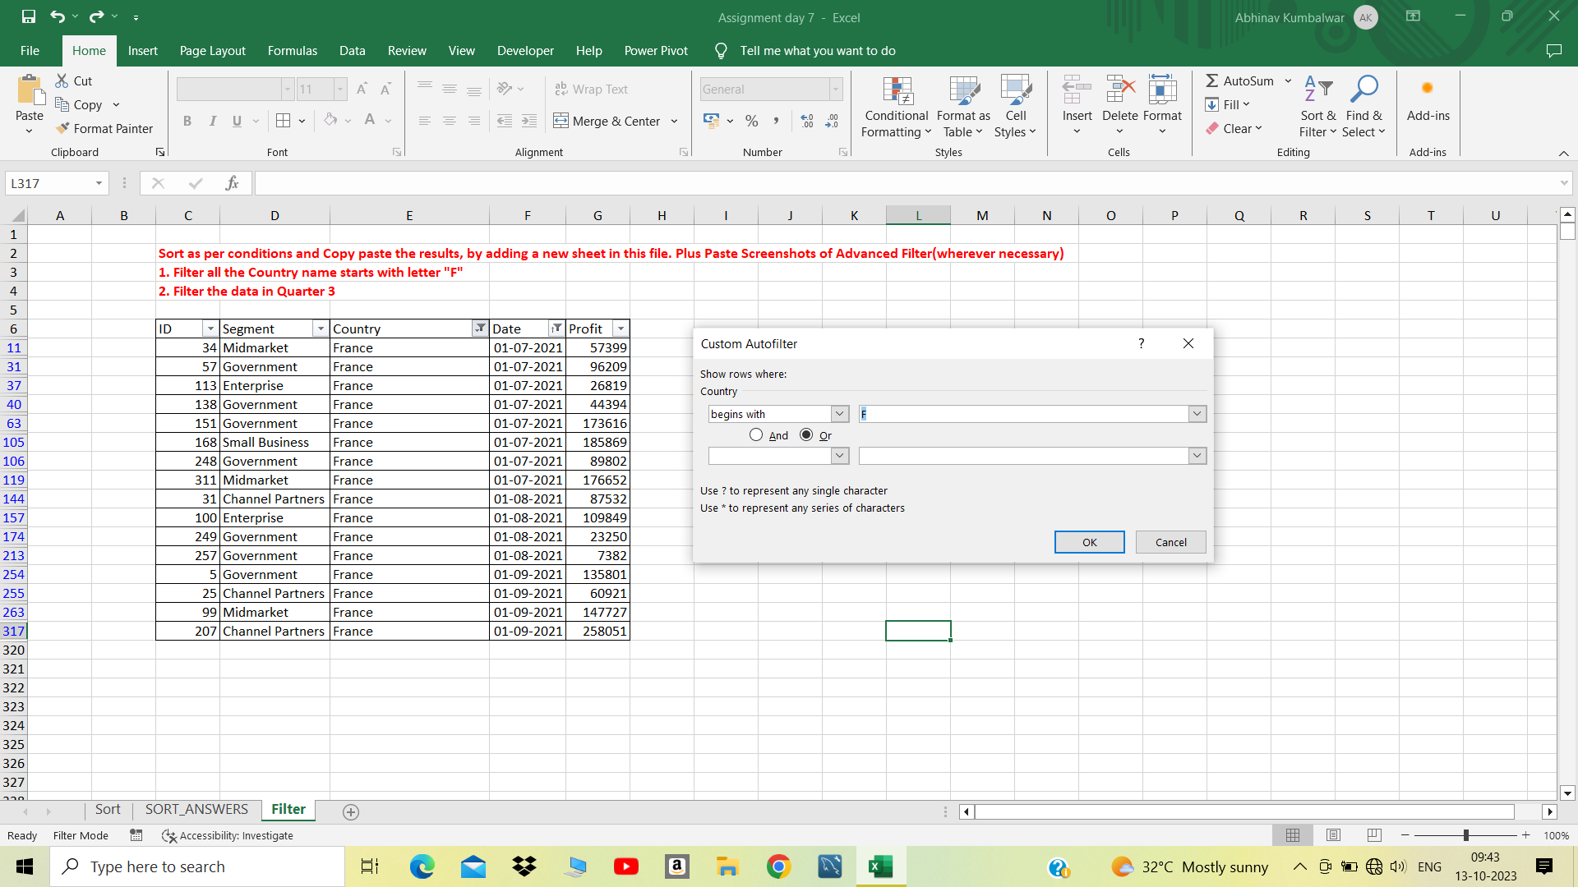
ID | Segment | Country | Date | Profit
34 | Midmarket | France | 2021-07-01 | 57399
57 | Government | France | 2021-07-01 | 96209
113 | Enterprise | France | 2021-07-01 | 26819
138 | Government | France | 2021-07-01 | 44394
151 | Government | France | 2021-07-01 | 173616
168 | Small Business | France | 2021-07-01 | 185869
248 | Government | France | 2021-07-01 | 89802
311 | Midmarket | France | 2021-07-01 | 176652
31 | Channel Partners | France | 2021-08-01 | 87532
100 | Enterprise | France | 2021-08-01 | 109849
249 | Government | France | 2021-08-01 | 23250
257 | Government | France | 2021-08-01 | 7382
5 | Government | France | 2021-09-01 | 135801
25 | Channel Partners | France | 2021-09-01 | 60921
99 | Midmarket | France | 2021-09-01 | 147727
207 | Channel Partners | France | 2021-09-01 | 258051

